Episode Algorithm
Step | Substep | Description | Notes | Links
Pull Data | Pull Data | Pull all claims with codes on the Algorithm Codeset Tab | For now, this is just the LB and SB DX Codes | Data Harmonization Tracker.xlsx
Pull Data | Rollup Episodes (Texas Only) | NY are already rolled up into admissions episodes. For Texas, rollup claims by collapsing all overlapping date ranges and taking the range of those dates.
Clean Data | Remove Contradictions | If two separate records exist on the same day with different endpoints (ie a SB and a LB on the same day), remove those records. Most episodes should still remain after removing them. | Added by Joe W on 07/29/2024. From the Moll paper: "When clinical codes indicating different endpoint types (other than DELIV) occurred on the same day, the service records for that day were excluded, because the conflicting information was likely due to miscoding. This exclusion rarely removed an outcome entirely because true outcomes were usually coded on multiple service dates." For the UT case, this is "claim_to_date" or "clm_from_date". Can track in a separate table to say how many potentially excluded in the end. | https://mtsinai-my.sharepoint.com/:b:/r/personal/ellerie_weber_mountsinai_org/Documents/POEM_for_Equity/POEM%20R01/Data%20Harmon%20Workgroup/Data%20Harmon%20Workgroup-Shared/Algorithms/Other/Moll_Validating%20Claims%20Based%20Alogirthms%20for%20Pregnancy%20Outcomes.pdf?csf=1&web=1&e=juWMzs | so on a given claim/encounter if outcome_type=LB and sb_flag=1 then delete? Very few cases | 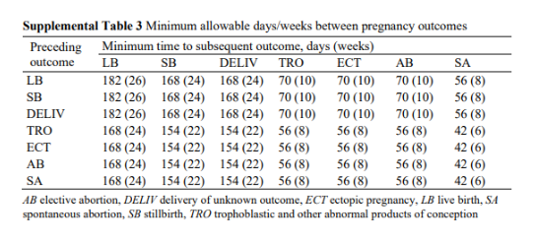
Clean Data (Texas Only) | Remove Repeated Claims (Texas Only) | If a person has more than six months repeating in a row with codes, remove those records | UT has inspected these sequences of claims and found they would result in false positives according to the algorithm. We've always removed these from consideration with pregnancy-related analyses. We would have to make a more complicated logic to accomodate for them, or manually decide when the pregnancy date occured, so they'll be excluded for now since it's a small number
Birth Episodes | Build Episodes Live Birth | Starting with the first live birth record (record meaning claim or inpatient episode if claims are already rolled up according to some logic) for a patient according to the DX codes marked "LB" on the Algorithm Codeset tab of this workbook, consider that episode 1 on that patient's "Episode Timeline". If, for that same individual, there is another claim with another "LB" code, if it occurs more than 182 days after the date for episode 1, consider it episode 2 on the timeline, and repeat the process for any additional live birth records. Save any flags, such as the multible birth flag on the timeline, since those may be saved/considered a seperate group later on. | This is derived from the text explanation in a supplement in Matcho, et. al. that was copied by Moll and others in the validation paper. | Matcho Supplement: https://mtsinai-my.sharepoint.com/:w:/r/personal/ellerie_weber_mountsinai_org/Documents/POEM_for_Equity/POEM%20R01/Data%20Harmon%20Workgroup/Data%20Harmon%20Workgroup-Shared/Algorithms/Other/Inferring%20pregnancy%20episodes%20and%20outcomes%20Matcho%20et%20al%20-%20SUPPLEMENT.docx?d=w5938b80a2c1949acb82dc73c8f876419&csf=1&web=1&e=TzRhFl
Birth Episodes | Build Episodes Still Birth | Once all live births from the Algorithm Codeset are placed on the "Episodes Timeline", if an individual has a SB at least 168 days after or 182 days before LB Episode 1, place an Episode 2 on their timeline, flagged as a SB. (If they have no other episodes the first SB episode is just placed on the timeline) And so on. Save any flags, such as the multible birth flag on the timeline, since those may be saved/considered a seperate group later on. | This is derived from the text explanation in a supplement in Matcho, et. al. that was copied by Moll and others in the validation paper.
Assign Pregnancy Dates | Assign pregnancy end date | Take the midpoint of the start and end date. In the event of a "tie" situation, where the midpoint would could be one day or another (or an even number of days), break the side of the tie randomly.

